2a Questão
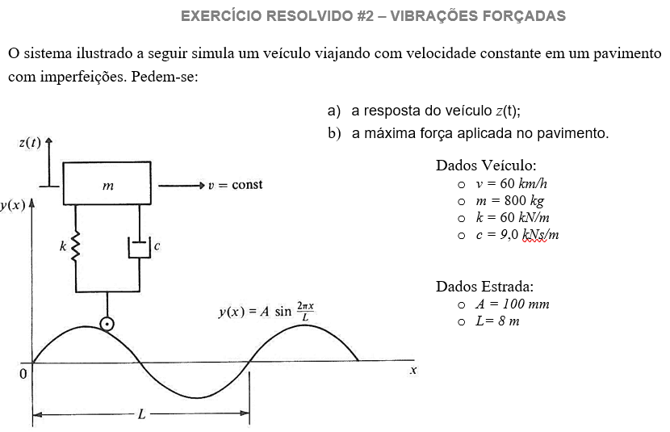

v= | 60 | km/h
L= | 8 | m
A= | 0.1 | m
m= | 800 | kg
k= | 60,000.00 | N/m
c= | 9,000.00 | Ns/m
wf= | 13.09 | rad/s
p0= | 13,707.78 | N
w= | 8.66 | rad/s
beta= | 1.51
qsi= | 0.650
D= | 0.4262
teta= | -0.991 | rad
x0= | 0.0974 | m
F_din= | 5,842.1
Peso= | 7,840.0
F_pneu= | 13,682.1
TR= | 0.939
Fmax= | 20,712.8 | N

 |  |  | 0.0939
t | x_solo | x_relat | x_tot
0 | 0 | 0.0815 | 0.0815
0.02 | 0.02588190451 | 0.0649 | 0.0908
0.04 | 0.05 | 0.0439 | 0.0939
0.06 | 0.070710678119 | 0.0199 | 0.0906
0.08 | 0.086602540378 | -0.0054 | 0.0812
0.1 | 0.096592582629 | -0.0304 | 0.0662
0.12 | 0.1 | -0.0533 | 0.0467
0.14 | 0.096592582629 | -0.0726 | 0.0240
0.16 | 0.086602540378 | -0.0869 | -0.0003
0.18 | 0.070710678119 | -0.0953 | -0.0246
0.2 | 0.05 | -0.0972 | -0.0472
0.22 | 0.02588190451 | -0.0925 | -0.0666
0.24 | 5.6660405534E-17 | -0.0815 | -0.0815
0.26 | -0.02588190451 | -0.0649 | -0.0908
0.28 | -0.05 | -0.0439 | -0.0939
0.3 | -0.070710678119 | -0.0199 | -0.0906
0.32 | -0.086602540378 | 0.0054 | -0.0812
0.34 | -0.096592582629 | 0.0304 | -0.0662
0.36 | -0.1 | 0.0533 | -0.0467
0.38 | -0.096592582629 | 0.0726 | -0.0240
0.4 | -0.086602540378 | 0.0869 | 0.0003
0.42 | -0.070710678119 | 0.0953 | 0.0246
0.44 | -0.05 | 0.0972 | 0.0472
0.46 | -0.02588190451 | 0.0925 | 0.0666
0.48 | 1.5313271484E-16 | 0.0815 | 0.0815
0.5 | 0.02588190451 | 0.0649 | 0.0908
0.52 | 0.05 | 0.0439 | 0.0939
0.54 | 0.070710678119 | 0.0199 | 0.0906
0.56 | 0.086602540378 | -0.0054 | 0.0812
0.58 | 0.096592582629 | -0.0304 | 0.0662
0.6 | 0.1 | -0.0533 | 0.0467
0.62 | 0.096592582629 | -0.0726 | 0.0240

